State Transition Table
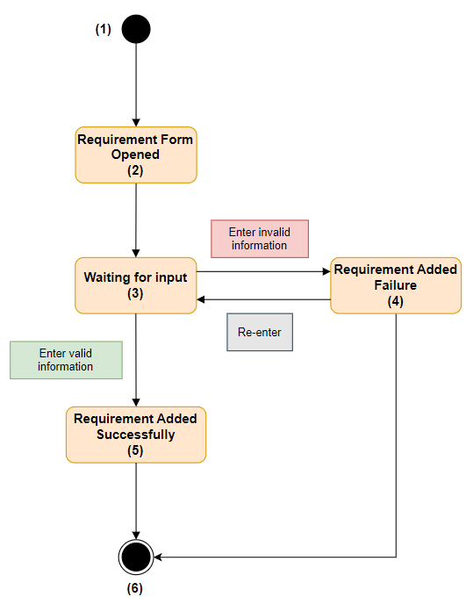
Prior State | New State | Valid Transition | Comment
1 | 1 | N
1 | 2 | Y | Add new requirement
1 | 3 | N
1 | 4 | N
1 | 5 | N
1 | 6 | N
2 | 1 | N
2 | 2 | N
2 | 3 | Y | Enter information
2 | 4 | N
2 | 5 | N
2 | 6 | N
3 | 1 | N
3 | 2 | N
3 | 3 | N
3 | 4 | Y | Enter invalid information
3 | 5 | Y | Enter valid information
3 | 6 | N
4 | 1 | N
4 | 2 | N
4 | 3 | Y | Re-enter information
4 | 4 | N
4 | 5 | N
4 | 6 | Y | Requirement Added failure
5 | 1 | N
5 | 2 | N
5 | 3 | N
5 | 4 | N
5 | 5 | N
5 | 6 | Y | Requirement Added successfully
6 | 1 | N
6 | 2 | N
6 | 3 | N
6 | 4 | N | Possible negative test case
6 | 5 | N | Possible negative test case
6 | 6 | N | Possible negative test case

